Decoding J1939 CCVS Frame
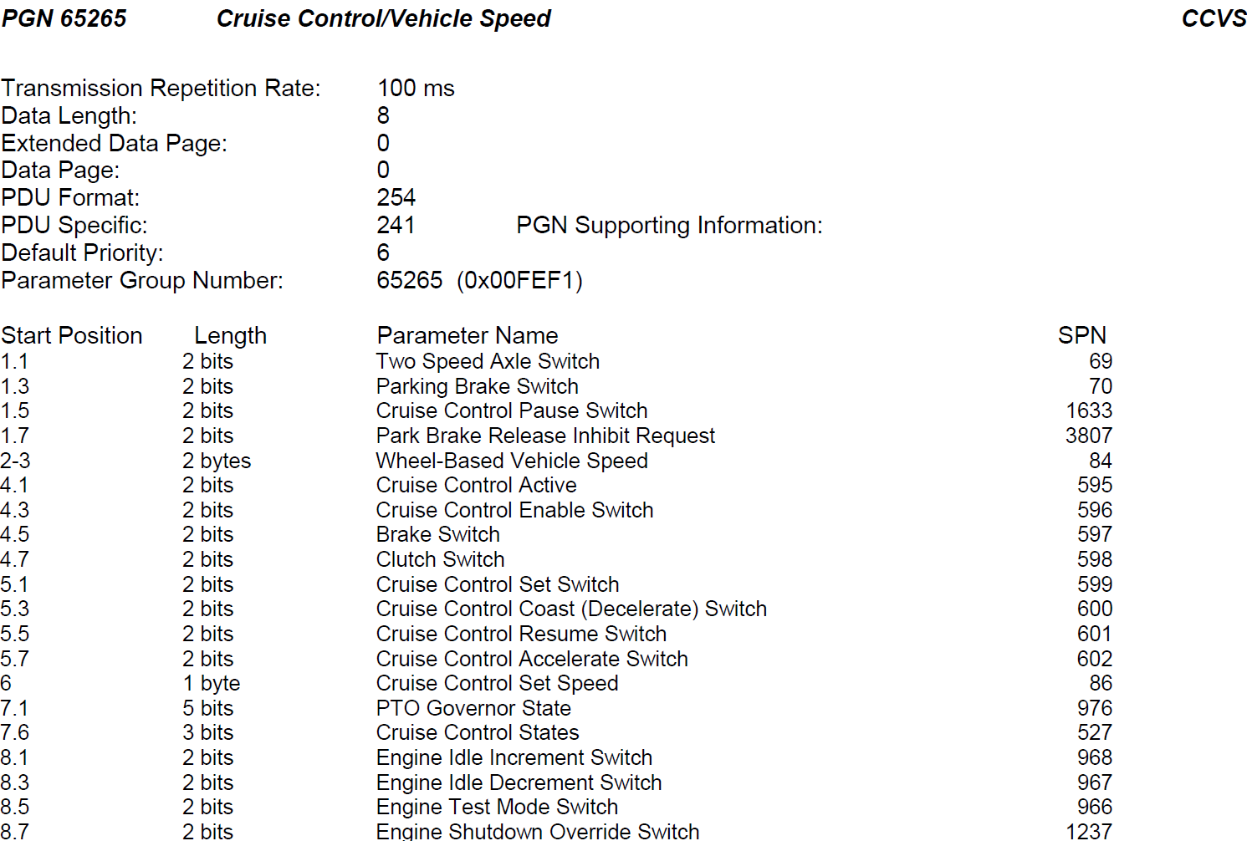
SAE J1939 Start Position Diagram

Frame | Enter the hex characters that lead with a zero as text (use a ')
Message hex | 03 |  |  |  |  |  |  |  | 56 |  |  |  |  |  |  |  | 0a |  |  |  |  |  |  |  | 78 |  |  |  |  |  |  |  | 9F |  |  |  |  |  |  |  | B5 |  |  |  |  |  |  |  | 09 |  |  |  |  |  |  |  | F0
Message nibbles | 0 |  |  |  | 3 |  |  |  | 5 |  |  |  | 6 |  |  |  | 0 |  |  |  | a |  |  |  | 7 |  |  |  | 8 |  |  |  | 9 |  |  |  | F |  |  |  | B |  |  |  | 5 |  |  |  | 0 |  |  |  | 9 |  |  |  | F |  |  |  | 0
Message bits | 0 | 0 | 0 | 0 | 0 | 0 | 1 | 1 | 0 | 1 | 0 | 1 | 0 | 1 | 1 | 0 | 0 | 0 | 0 | 0 | 1 | 0 | 1 | 0 | 0 | 1 | 1 | 1 | 1 | 0 | 0 | 0 | 1 | 0 | 0 | 1 | 1 | 1 | 1 | 1 | 1 | 0 | 1 | 1 | 0 | 1 | 0 | 1 | 0 | 0 | 0 | 0 | 1 | 0 | 0 | 1 | 1 | 1 | 1 | 1 | 0 | 0 | 0 | 0
J1939 Byte Position | 1 |  |  |  |  |  |  |  | 2 |  |  |  |  |  |  |  | 3 |  |  |  |  |  |  |  | 4 |  |  |  |  |  |  |  | 5 |  |  |  |  |  |  |  | 6 |  |  |  |  |  |  |  | 7 |  |  |  |  |  |  |  | 8
Python Byte Position | 0 |  |  |  |  |  |  |  | 1 |  |  |  |  |  |  |  | 2 |  |  |  |  |  |  |  | 3 |  |  |  |  |  |  |  | 4 |  |  |  |  |  |  |  | 5 |  |  |  |  |  |  |  | 6 |  |  |  |  |  |  |  | 7
J1939 Bit Position | 8 | 7 | 6 | 5 | 4 | 3 | 2 | 1 | 8 | 7 | 6 | 5 | 4 | 3 | 2 | 1 | 8 | 7 | 6 | 5 | 4 | 3 | 2 | 1 | 8 | 7 | 6 | 5 | 4 | 3 | 2 | 1 | 8 | 7 | 6 | 5 | 4 | 3 | 2 | 1 | 8 | 7 | 6 | 5 | 4 | 3 | 2 | 1 | 8 | 7 | 6 | 5 | 4 | 3 | 2 | 1 | 8 | 7 | 6 | 5 | 4 | 3 | 2 | 1
Python Bit Position | 7 | 6 | 5 | 4 | 3 | 2 | 1 | 0 | 7 | 6 | 5 | 4 | 3 | 2 | 1 | 0 | 7 | 6 | 5 | 4 | 3 | 2 | 1 | 0 | 7 | 6 | 5 | 4 | 3 | 2 | 1 | 0 | 7 | 6 | 5 | 4 | 3 | 2 | 1 | 0 | 7 | 6 | 5 | 4 | 3 | 2 | 1 | 0 | 7 | 6 | 5 | 4 | 3 | 2 | 1 | 0 | 7 | 6 | 5 | 4 | 3 | 2 | 1 | 0
Bit Mask | 128 | 64 | 32 | 16 | 8 | 4 | 2 | 1
Transmission Order | 0 | 1 | 2 | 3 | 4 | 5 | 6 | 7 | 8 | 9 | 10 | 11 | 12 | 13 | 14 | 15 | 16 | 17 | 18 | 19 | 20 | 21 | 22 | 23 | 24 | 25 | 26 | 27 | 28 | 29 | 30 | 31 | 32 | 33 | 34 | 35 | 36 | 37 | 38 | 39 | 40 | 41 | 42 | 43 | 44 | 45 | 46 | 47 | 48 | 49 | 50 | 51 | 52 | 53 | 54 | 55 | 56 | 57 | 58 | 59 | 60 | 61 | 62 | 63

Signal (SPN)
84: Wheel Based Vehicle Speed (km/h) |  |  |  |  |  |  |  |  | 10.3359375
527: Cruise Control States |  |  |  |  |  |  |  |  |  |  |  |  |  |  |  |  |  |  |  |  |  |  |  |  |  |  |  |  |  |  |  |  |  |  |  |  |  |  |  |  |  |  |  |  |  |  |  |  | Off/Disabled
599: Cruise Control Set Switch |  |  |  |  |  |  |  |  |  |  |  |  |  |  |  |  |  |  |  |  |  |  |  |  |  |  |  |  |  |  |  |  |  |  |  |  |  |  | N/A |  |  |  |  |  |  |  |  |  | SPN 527 | 0 | Off/Disabled
 |  |  |  |  |  |  |  |  |  |  |  |  |  |  |  |  |  |  |  |  |  |  |  |  |  |  |  |  |  |  |  |  |  |  |  |  |  | SPN 599 | 0 | Off |  |  |  |  |  |  |  |  |  | 1 | Hold
 |  |  |  |  |  |  |  |  |  |  |  |  |  |  |  |  |  |  |  |  |  |  |  |  |  |  |  |  |  |  |  |  |  |  |  |  |  |  | 1 | On |  |  |  |  |  |  |  |  |  | 2 | Accelerate
 |  |  |  |  |  |  |  |  |  |  |  |  |  |  |  |  |  |  |  |  |  |  |  |  |  |  |  |  |  |  |  |  |  |  |  |  |  |  | 2 | ERR |  |  |  |  |  |  |  |  |  | 3 | Decelerate/Coast
 |  |  |  |  |  |  |  |  |  |  |  |  |  |  |  |  |  |  |  |  |  |  |  |  |  |  |  |  |  |  |  |  |  |  |  |  |  |  | 3 | N/A |  |  |  |  |  |  |  |  |  | 4 | Resume
 |  |  |  |  |  |  |  |  |  |  |  |  |  |  |  |  |  |  |  |  |  |  |  |  |  |  |  |  |  |  |  |  |  |  |  |  |  |  |  |  |  |  |  |  |  |  |  |  |  | 5 | Set
 |  |  |  |  |  |  |  |  |  |  |  |  |  |  |  |  |  |  |  |  |  |  |  |  |  |  |  |  |  |  |  |  |  |  |  |  |  |  |  |  |  |  |  |  |  |  |  |  |  | 6 | Accelerator override
 |  |  |  |  |  |  |  |  |  |  |  |  |  |  |  |  |  |  |  |  |  |  |  |  |  |  |  |  |  |  |  |  |  |  |  |  |  |  |  |  |  |  |  |  |  |  |  |  |  | 7 | Not available

